1. Title Page
Project Name: Instacart Grocery Basket Analysis
Date: 4/20/2023
Analyst Name: Brandy Lewis

Contents:
Population Flow
Consistency checks
Wrangling steps
Column derivations
Visualizations
Recommendations

2. Population Flow
Population flow

Exclusion flag
Condition: max_order < 5
Obervations to be removed: 1,440,295
Final total count of order_products_all: 30,964,564

Orders_products_combined
Orders_products_merged
Orders_products_all

Total:32,434,489
Total: 32,404,859
Total: 32,404,859

1.) The grey boxes in the first row of the population flow represent the original data sets as they were when you downloaded them. In the Total fields you need to add the count of the rows when you imported the data set into Jupyter.
2.) The second row of boxes (coloured) represents the data sets after you manipulated them, e.g., removed missing values and duplicates. In the Total fields you need to add the count of the rows after conducting these operations. This offers a visual oveview of how the data flows throughout the data consistency checks.
3.) The third row, where also the arrows are coloured, represents the merges you performed between the datasets. In the Total fields you need to add the count of the rows in the merged datasets, so that you end up with the final dataset (in the red box). Keep in mind the final dataset should be without exclusions (based on the exclusion flag).

3. Consistency checks
Consistency checks

Dataset | Missing values | Missing values treatment | Duplicates
orders | None | N/A | None
products | 16 in product_name column | Records removed | 5 removed
orders_products_prior | None | N/A | None
customers | 11,259 in First Name column | Not addressed | None

4. Wrangling steps
Wrangling steps

Columns dropped | Columns renamed | Columns' type changed | Comment/Reason
 |  | order_id | Changed from int to str
 |  | user_id | Changed from int to str
eval_set |  |  | Not needed
 | order_dow |  | Name changed to orders_day_of_week
 | orders_number |  | Name changed to orders_#
unnamed_orders |  |  | Not needed
unnamed_products |  |  | Not needed
 | Gender |  | Changed to gender
 | STATE |  | Changed to state
 | Age |  | Changed to age
 | n_dependants |  | Changed to number_of_dependants
 | fam_status |  | Changed to family_status
first_name |  |  | Drop PII data
last_name |  |  | Drop PII data

5. Column derivations
Column derivations and aggregations

In this tab you should add tables below that the frequences of flags/label variables that you produced after deriving them. NB: don't do this for continuous variables, only for flags.
Dataset | New column | Column/s it was derived from | Conditions
orders_products_merged | price_range_loc | prices | If prices is greater than 15: High range product If prices is between 5 and including 15: Mid range product If prices is less than 5: Low range product
orders_products_merged | busiest_day | orders_day_of_week | If orders_day_of_week is 0 or 1 : Busiest days If orders_day_of_week is 3 or 4 : Slowest days If orders_day_of_week is 2, 5, or 6 : Regular days
orders_products_merged | busiest_period_of day | order_hour_of_day | If order_hour_of_day is between 9 and 16 : Most orders If order_hour_of_day is between 0 and 6 or value is 23 : Least orders All other order_hour_of_day : Average orders
orders_products_merged | loyalty_flag | max_order | If max_order is greater than 40 : Loyal customer If max_order is > 10 and less than or equal to 40 : Regular customer If max order is less than or equal to 10 : New customer
orders_products_merged | spender_flag | avg_price | If avg_price is less than 10 : Low spender If avg_price is greater than or equal to 10 : High spender
orders_products_merged | frequency_flag | med_freq | If med_freq is greater than 20 : Non-frequent customer If med_freq is greater than 10 and less than or equal to 20 : Regular customer If med_freq is less than or equal to 10 : Frequent customer
orders_products_customers | region | state | Northeast = ['Maine', 'New Hampshire', 'Vermont', 'Massachusetts', 'Rhode Island', 'Connecticut', 'New York', 'Pennsylvania', 'New Jersey'] Midwest = ['Wisconsin', 'Michigan', 'Illinois', 'Indiana', 'Ohio', 'North Dakota', 'South Dakota', 'Nebraska', 'Kansas', 'Minnesota', 'Iowa', 'Missouri'] South = ['Delaware', 'Maryland', 'District of Columbia', 'Virginia', 'West Virginia', 'North Carolina', 'South Carolina', 'Georgia', 'Florida', 'Kentucky', 'Tennessee', 'Mississippi', 'Alabama', 'Oklahoma', 'Texas', 'Arkansas', 'Louisiana'] West = ['Idaho', 'Montana', 'Wyoming', 'Nevada', 'Utah', 'Colorado', 'Arizona', 'New Mexico', 'Alaska', 'Washington', 'Oregon', 'California', 'Hawaii']
orders_products_customers | activity_flag | max_order | If max_order is less than 5 : Low-activity If max_order is greater than or equal to 5 : High-activity
high_activity_customers | age_group | age | If age is between 18 and 40 : Young Adult If age is betweeen 40 and 65 : Middle-Aged If age is greater than equal to 65 : Senior
high_activity_customers | income_group | income | If income is less than 70000 : Low If income is between 70000 - 120000 : Middle If income is greater than 120000 : High
high_activity_customers | family_size | number_of_dependants | If number of dependants is equal to 0 : Small If number of dependants is 1 or 2 : Medium If number of dependants 3 or more : Large

6. Visualizations
Visualisations

In this tab you should include all the visualtions from Exercises 4.9 and 4.10, alongside the questions from the project brief that they answer. Include any commentary on the relationship between different variables.

1 | The sales team needs to know what the busiest days of the week and hours of the day
 | are (i.e., the days and times with the most orders) in order to schedule ads at times
 | when there are fewer orders.


 |  |  | Orders by Day of the Week |  |  |  |  |  |  |  |  | Orders by Hour

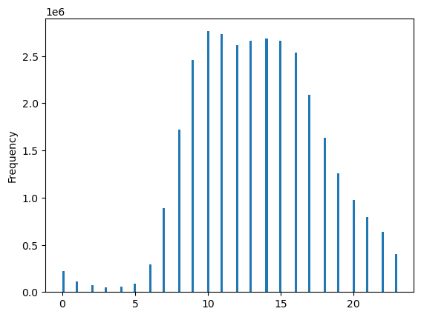

 |  | Most of the orders concentrate between 9am and 4pm and done during the the weekends (0=Saturday, 1= Sunday).

2 | They also want to know whether there are particular times of the day when people spend
 | the most money, as this might inform the type of products they advertise at these times.


 |  | There is a difference and this line chart shows that there is a low peak at 10am and a high peak after 5am. But, the range of the prices displayed by this sample is less than one dollar(7.9-7.725), so in overall terms there is not much of a difference.

3 | Instacart has a lot of products with different price tags. Marketing and sales want to use
 | simpler price range groupings to help direct their efforts.

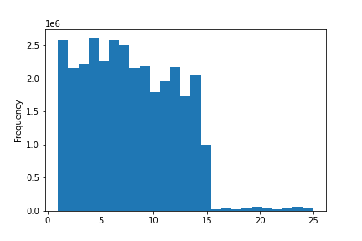

 |  | The following histogram shows how we can group prices that are almost equally concentrated. The simplified version will include these three groups:
 |  | Low price products= products whose price is below $5
 |  | Mid price products= products whose price is equal to $5 and less than $10
 |  | Premium price products= products whose price is higher than $10

4 | Are there certain types of products that are more popular than others? The marketing
 | and sales teams want to know which departments have the highest frequency of product
 | orders.

 |  | Department_id | count | unique | top | freq
 |  | 4 | 9079273 | 1684 | Banana | 453164
 |  | 16 | 5177182 | 3442 | Organic Whole Milk | 133514
 |  | 7 | 2571901 | 4360 | Sparkling Water Grapefruit | 72669
 |  | 20 | 1003834 | 1320 | Original Hummus | 68545
 |  | 3 | 1120828 | 1515 | 100% Whole Wheat Bread | 58113
 |  | 1 | 2121731 | 4005 | Blueberries | 53136
 |  | 13 | 1782705 | 5364 | Extra Virgin Olive Oil | 48142
 |  | 12 | 674781 | 906 | Boneless Skinless Chicken Breasts | 47755
 |  | 15 | 1012074 | 2091 | Organic Black Beans | 36503
 |  | 17 | 699857 | 3082 | 100% Recycled Paper Towels | 26808
 |  | 14 | 670850 | 1113 | Honey Nut Cheerios | 25362
 |  | 19 | 2766406 | 6260 | Lightly Salted Baked Snap Pea Crisps | 23892
 |  | 9 | 822136 | 1858 | Marinara Sauce | 19252
 |  | 6 | 255991 | 1139 | Organic Sea Salt Roasted Seaweed Snacks | 10018
 |  | 10 | 33451 | 38 | Dried Mango | 9864
 |  | 18 | 410392 | 1080 | Baby Food Stage 2 Blueberry Pear & Purple Carrot | 8524
 |  | 21 | 64768 | 1247 | Organic Riced Cauliflower | 7880
 |  | 5 | 144627 | 1051 | Sauvignon Blanc | 7751
 |  | 11 | 424306 | 6557 | Lavender Hand Soap | 5652
 |  | 2 | 34411 | 548 | Roasted Almond Butter | 3812
 |  | 8 | 93060 | 970 | Grain Free Chicken Formula Cat Food | 1771

5.1 | What’s the distribution among users in regards to their brand loyalty (i.e., how
 | often do they return to Instacart)?

 | If the customer has made more than 40 orders they are considered loyal customer.
 | Between 11 and 40 orders they are considered a regular customer.
 | Below or equal to 10 they are considered a new customer.

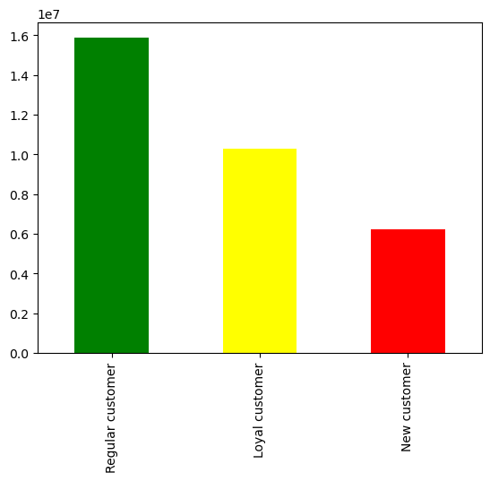

 |  |  |  |  |  |  |  | prices
 |  |  |  |  |  |  |  | mean | min | max | sum
 |  |  |  |  |  |  | loyalty_flag
 |  |  |  |  |  |  | Loyal customer | 7.772831 | 1 | 25 | 7.99E+07
 |  |  |  |  |  |  | New customer | 7.80032 | 1 | 25 | 4.87E+07
 |  |  |  |  |  |  | Regular customer | 7.797431 | 1 | 25 | 1.24E+08

5.2 | Are there differences in ordering habits based on a customer’s loyalty status?

5.3 | Are there differences in ordering habits based on a customer’s region?

 | Region | Midwest | Northeast | South | West
 | spending_flag
 | High spender | 29444 | 18662 | 40890 | 31347
 | Low spender | 7567881 | 5704074 | 10750995 | 8261566

5.4 | Is there a connection between age and family status in terms of ordering habits?

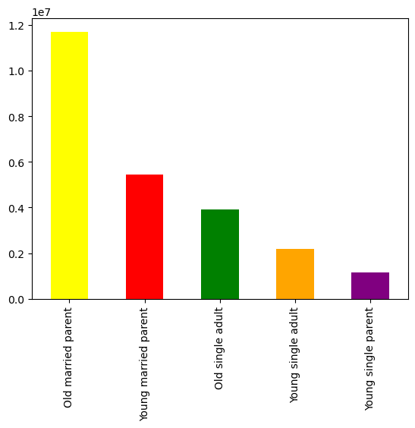


 |  | There is no clear connection between age and spending. |  |  |  |  |  |  | In terms of family status and ordering habits, older married individual tend to have the highest spending habits.

7. Recommendations
Recommendations

In this tab you should include any recommendations you would made to Instcart in terms of their marketing strategy based on the questions posed in the brief. Every key question has been covered in the Tasks of the Exercises - here you need to add an item - a visualisation or table/crosstable that is showing the answer in the data, acompanied by a comment from you. Please, list the questions below and add the answer underneath.

Question | Answer
1. The sales team needs to know what the busiest days of the week and hours of the day are in order to schedule ads at times when there are fewer orders. | Most of the orders concentrate between 9am and 4pm and done during the the weekends (0=Saturday, 1= Sunday). Low traffic of orders is spotted during the weekdays and after 5pm.

2. They also want to know whether there are particular times of the day when people spend the most money, as this might inform the type of products they advertise at these times. | There is a high peak at the hours preceding 5am where customers spend most of their money, which is contradictory with most of the orders take place. However, because the range of the prices displayed by this sample is less than one dollar($7.9-$7.725), in general terms, there is not a remarkable difference.

3. Instacart has a lot of products with different price tags. Marketing and sales want to use simpler price range groupings to help direct their efforts | The distribution of prices shows how we can group prices that are almost equally concentrated. A possible recommendation is to divide the prices into three simple groups: Low price products= products whose price is below $5, mid price products= products whose price is equal to $5 and less than $10 and Premium price products= products whose price is higher than $10.

4. Are there certain types of products that are more popular than others? The only marketing and sales teams want to know which departments have the highest frequency of product orders. | The following list shows the list of products that are most popular by department. The highest frequency corresponds to departments that managed fast consumer goods which categorized for having a high replacement rate. Such products include: bananas, organic whole milk, sparkling water grapefruit, hummus, bread, etc.

5a. What’s the distribution among users in regards to their brand loyalty (i.e., how often do they return to Instacart)? | In terms of loyalty, 54% are new customers, 37% regular customers and only 8% loyal customers. Loyal customer seem to pay an average price lower than new or regular customers.This suggest that it would be possible for new customers to increase their number of orders if prices go down. In terms of number of orders, the majority is concentrated among regular customers, followed by loyal customers.

5b. Are there differences in ordering habits based on a customer’s loyalty status? | Reordering has a big difference among loyal customer who have an average time of six days, followed by 12 days from regular customers and 17 days for new customers. In general, regular customers seem to be the most attractive segment to target as they pay a higher price on average and are responsible for most of the amount of orders.

5c. Are there differences in ordering habits based on a customer’s region? | In the 4 regions, most users(more than 90%) spend less than $10 as compared to the higher spenders that don’t have much contribution. This is most prominent in the south region. In terms of days of the week and hours during the day, all regions behave similarly having a preference for weekends and peak hours that range from 10am until 5pm. As well there is not much difference among regions for the average days customers wait until reordering.

5d. Is there a connection between age and family status in terms of ordering habits? | In terms of family status and ordering habits one could say that single customers tend to have the highest average spending of every weekday. There is no clear relation between age and average spending. Most of the average spending for any ages is concentrated below 5000. $25,000 is the biggest outilier coming from customer(s) at their early 40s. Overall, there is no strong correlation between spending power and age. Bananas seem to be the most purchased product among all the family status groups.

5e. What different classifications does the demographic information suggest? Age? Income? Certain types of goods? Family status? | For the regions, the demographic information grouped by age, family status and income shows that married people, above 52 years old who have more than two dependants ( shown in the graph as big family ) regardless of their income are the most prominent target in all four regions(light blue band). In general, married customers with more than 2 kids are better to reach for marketing and sales efforts than the married customers with only one kid, regarless of their age and income. Also very important to note is that from the four regions that south is the biggest one and the northeast the smallets one.

5f. What differences can you find in ordering habits of different customer profiles? Consider the price of orders, the frequency of orders, the products customers are ordering, and anything else you can think of. | For the different customers profiles grouped by age, income, number of dependants and family status, the most active categories are the fast rotation goods, such as produce, beverages, dairy and snacks. By department it is important to keep in mind the profiles of Big and Small families differ substantially. Interesting to see that among families the ones that most resemble are big mature families with high income and big young families with low income. Other customer profile worth to explore is the single young adult with higher income as they are the ones with the highest average spending. Also, is worth mentioning that customers with pets tend to have a higher average spending, but as it is a very small segment it could be interesting to explore it in the future. In terms of reordering there is no significant difference among the customer profiles.

Final Recommendation As stated previously, a Loyalty/Reward program should be created to provide incentives for users to continue utilizing Instacart's services. Additionally, ads and promotions should be increased based on the above mentioned criteria. Further marketing plan for specific criterias will provide increase in purchases to ensure Instacart's continued success.
As the company is looking to improve targeting for their ad campaigns it is important to have in mind that the most dynamic segments are married customers with more that one dependant in regions such as the South. Therefore, any efforts applied to these segments should be focused on increasing the average spending per order as opposed to the number of orders. This necessity was also evident by the higher proportion of low spenders that they are. On the other hand, If the objective is to increase purchases, then it is better to target segments such as young adults with high income, so they can increase their number of orders. I would make sure that the marketing campaigns start funneling new users and turn them into loyal or regular customers by offering them lower prices. Lastly, because the categories of higher rotation are the ones that are most purchased, perhaps to boost the sales of other categories, a cross promotion could be done with the product from the category that wants to be sold and bananas, which is a product that all customers bought regularly. These type of cross promotions could create economies of scale as it is targeting all customers and not specific ones.

